Summary

Results for NSW Vegetation Clearing 2021

This spreadsheet reports on figures relating to detected woody and non woody (grasses, small shrubs and groundcover) vegetation clearing that has occurred since 2018 on rural regulated land. All clearing detection is quantified in hectares. Rural regulated land is defined as rural land required to be categorised as 'Category 2 - regulated land' or 'Category 2 - vulnerable regulated land' and/or 'Category 2 - sensitive regulated land' under Part 5A of the Local Land Services Act 2013 (LLS Act). These rural regulated land categories set out the pathways available for landholders to authorise clearing and management of vegetation.

Further detail on NSW Vegetation Clearing 2021 is available on the the webpage
How landcover change information is obtained
Woody clearing is identified using the Statewide Landcover and Tree Study (SLATS) data. This method detects change through a combination of automated and manual interpretation of the differences between Sentinel-2 satellite images captured during summer of each year. Imagery interpreters validate the change and assign a replacement landcover class identifying the intended purpose for the change. Vegetation change due to fire is not included in the data.

More detailed information is available on the Statewide Landcover and Tree Study method webpage.
Non woody clearing (removal of grasses, small shrubs and groundcover) is identified by interpreters by comparing two high-resolution satellite images and analysing changes using a range of additional data and imagery products. Interpreters will assign a landcover class as with woody clearing. If the interpreter is not confident of the change it will not be reported until additional information can verify a change has occurred; for example, from native grassland to cropping. Additional evidence used to verify change may be higher-resolution imagery that clearly identifies cropping lines, or later imagery that shows an established crop In this 2021 report the 2020 figures have been updated to incorporate these verified non woody clearing events. More information about this method is available on the
More information about this method is available on the Non woody Landcover Disturbance webpage
Unallocated clearing refers to areas of vegetation clearing on rural regulated land defined by the LLS Act for which the Department of Planning and Environment (the department) does not yet know the background or specific details of the clearing. This can include vegetation clearing for routine farm management (allowable activities), land management activities under the Land Management Code 2018 that do not require certification or notification (e.g. regrowth), landholder self-assessment of the level disturbance of grasslands or groundcover, or other legislative exemptions. In some instances, activities may be unlawful and will require determination by court actions. To confirm authorisation under the LLS Act or Native Vegetation Act 2003 (NV Act), detected areas of vegetation clearing are compared against all available spatial data for approvals. Authorisation under other acts may be associated with approvals under acts such as the Plantation and Reafforestation Act 1999, or presumed authorised under other acts using visual cues in the imagery. Presumed allowable activities are clearing for farm infrastructure which is identified using visual cues in the imagery. The quality and currency of the spatial data that defines the authorised clearing may vary. Written totals may differ to the summed total due to rounding. Data released may be updated in the future as more accurate or additional information becomes available.

This workbook contains the following data:

Workbook Tab | Description
Tab 1 | Tab 1 - Clearing in NSW, statewide and on Category 2 rural regulated land
Tab 2 | Tab 2 - Clearing statewide by landcover class
Tab 3 | Tab 3 - Clearing by NVR map category
Tab 4 | Tab 4 - Clearing on Category 2 regulated land by authorising act, presumed allowable activity and unallocated
Tab 5 | Tab 5 - Clearing on Category 2 regulated land authorised under LLS Act
Tab 6 | Tab 6 - Clearing on Category 2 regulated land authorised under NV Act

Tab 1 - in NSW
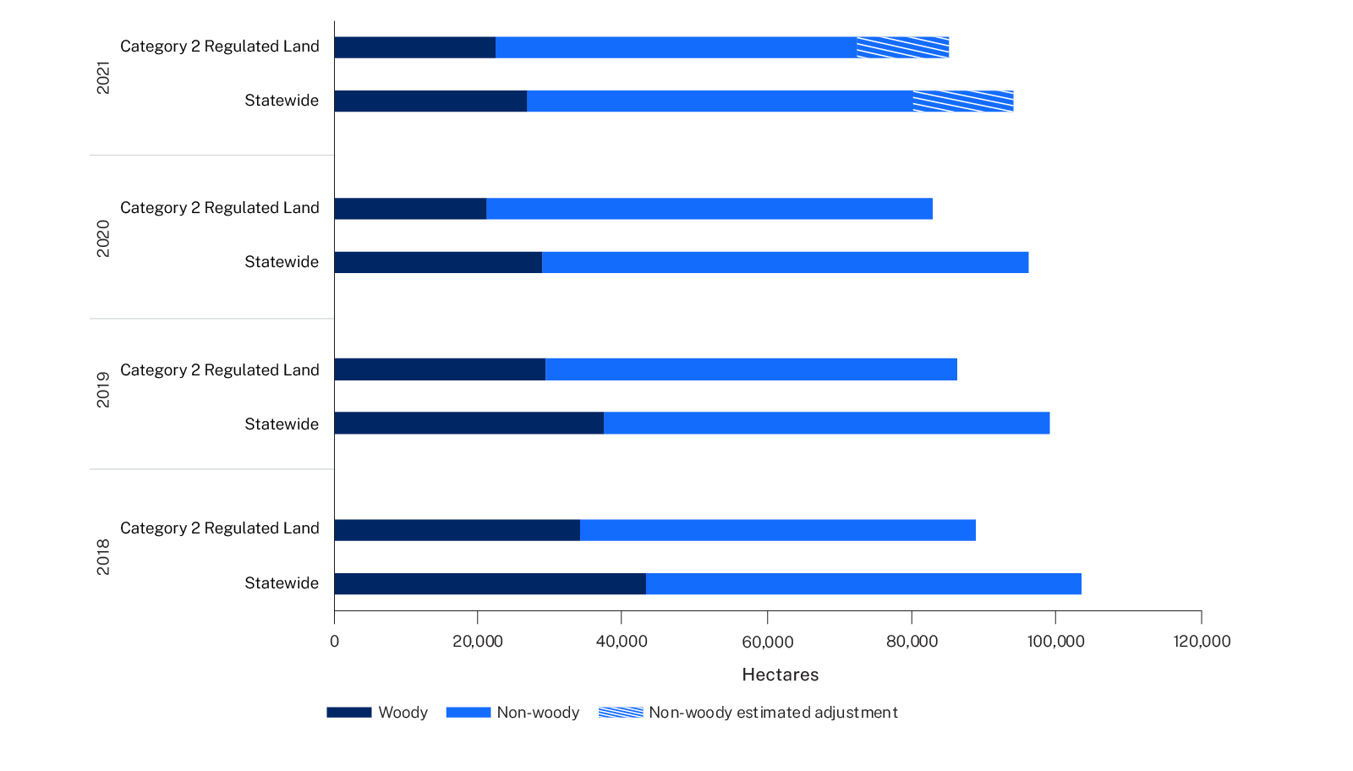
Tab 1: Vegetation clearing statewide and on Category 2 Regulated Land (hectares)
Date | Statewide |  |  | Category 2 Regulated Land
 | Total | Woody | Non woody | Total | Woody | Non woody
2021 | 80,061 | 26,735 | 53,326 | 72,335 | 22,318 | 50,017
2020 | 96,262 | 28,804 | 67,458 | 82,941 | 21,077 | 61,864
2019 | 99,159 | 37,388 | 61,771 | 86,392 | 29,292 | 57,100
2018 | 103,562 | 43,269 | 60,293 | 88,875 | 34,109 | 54,766
Total | 379,045 | 136,196 | 242,849 | 330,542 | 106,796 | 223,746

Notes: | Non woody figures updated to include clearing that occurred in 2020, which was mapped in the 2021 analysis
 | All figures are in hectares unless otherwise specified.
 | Written totals may differ to summed totals due to rounding.
 |  | The latest data is highlighted green.

Tab 2 - by landcover class
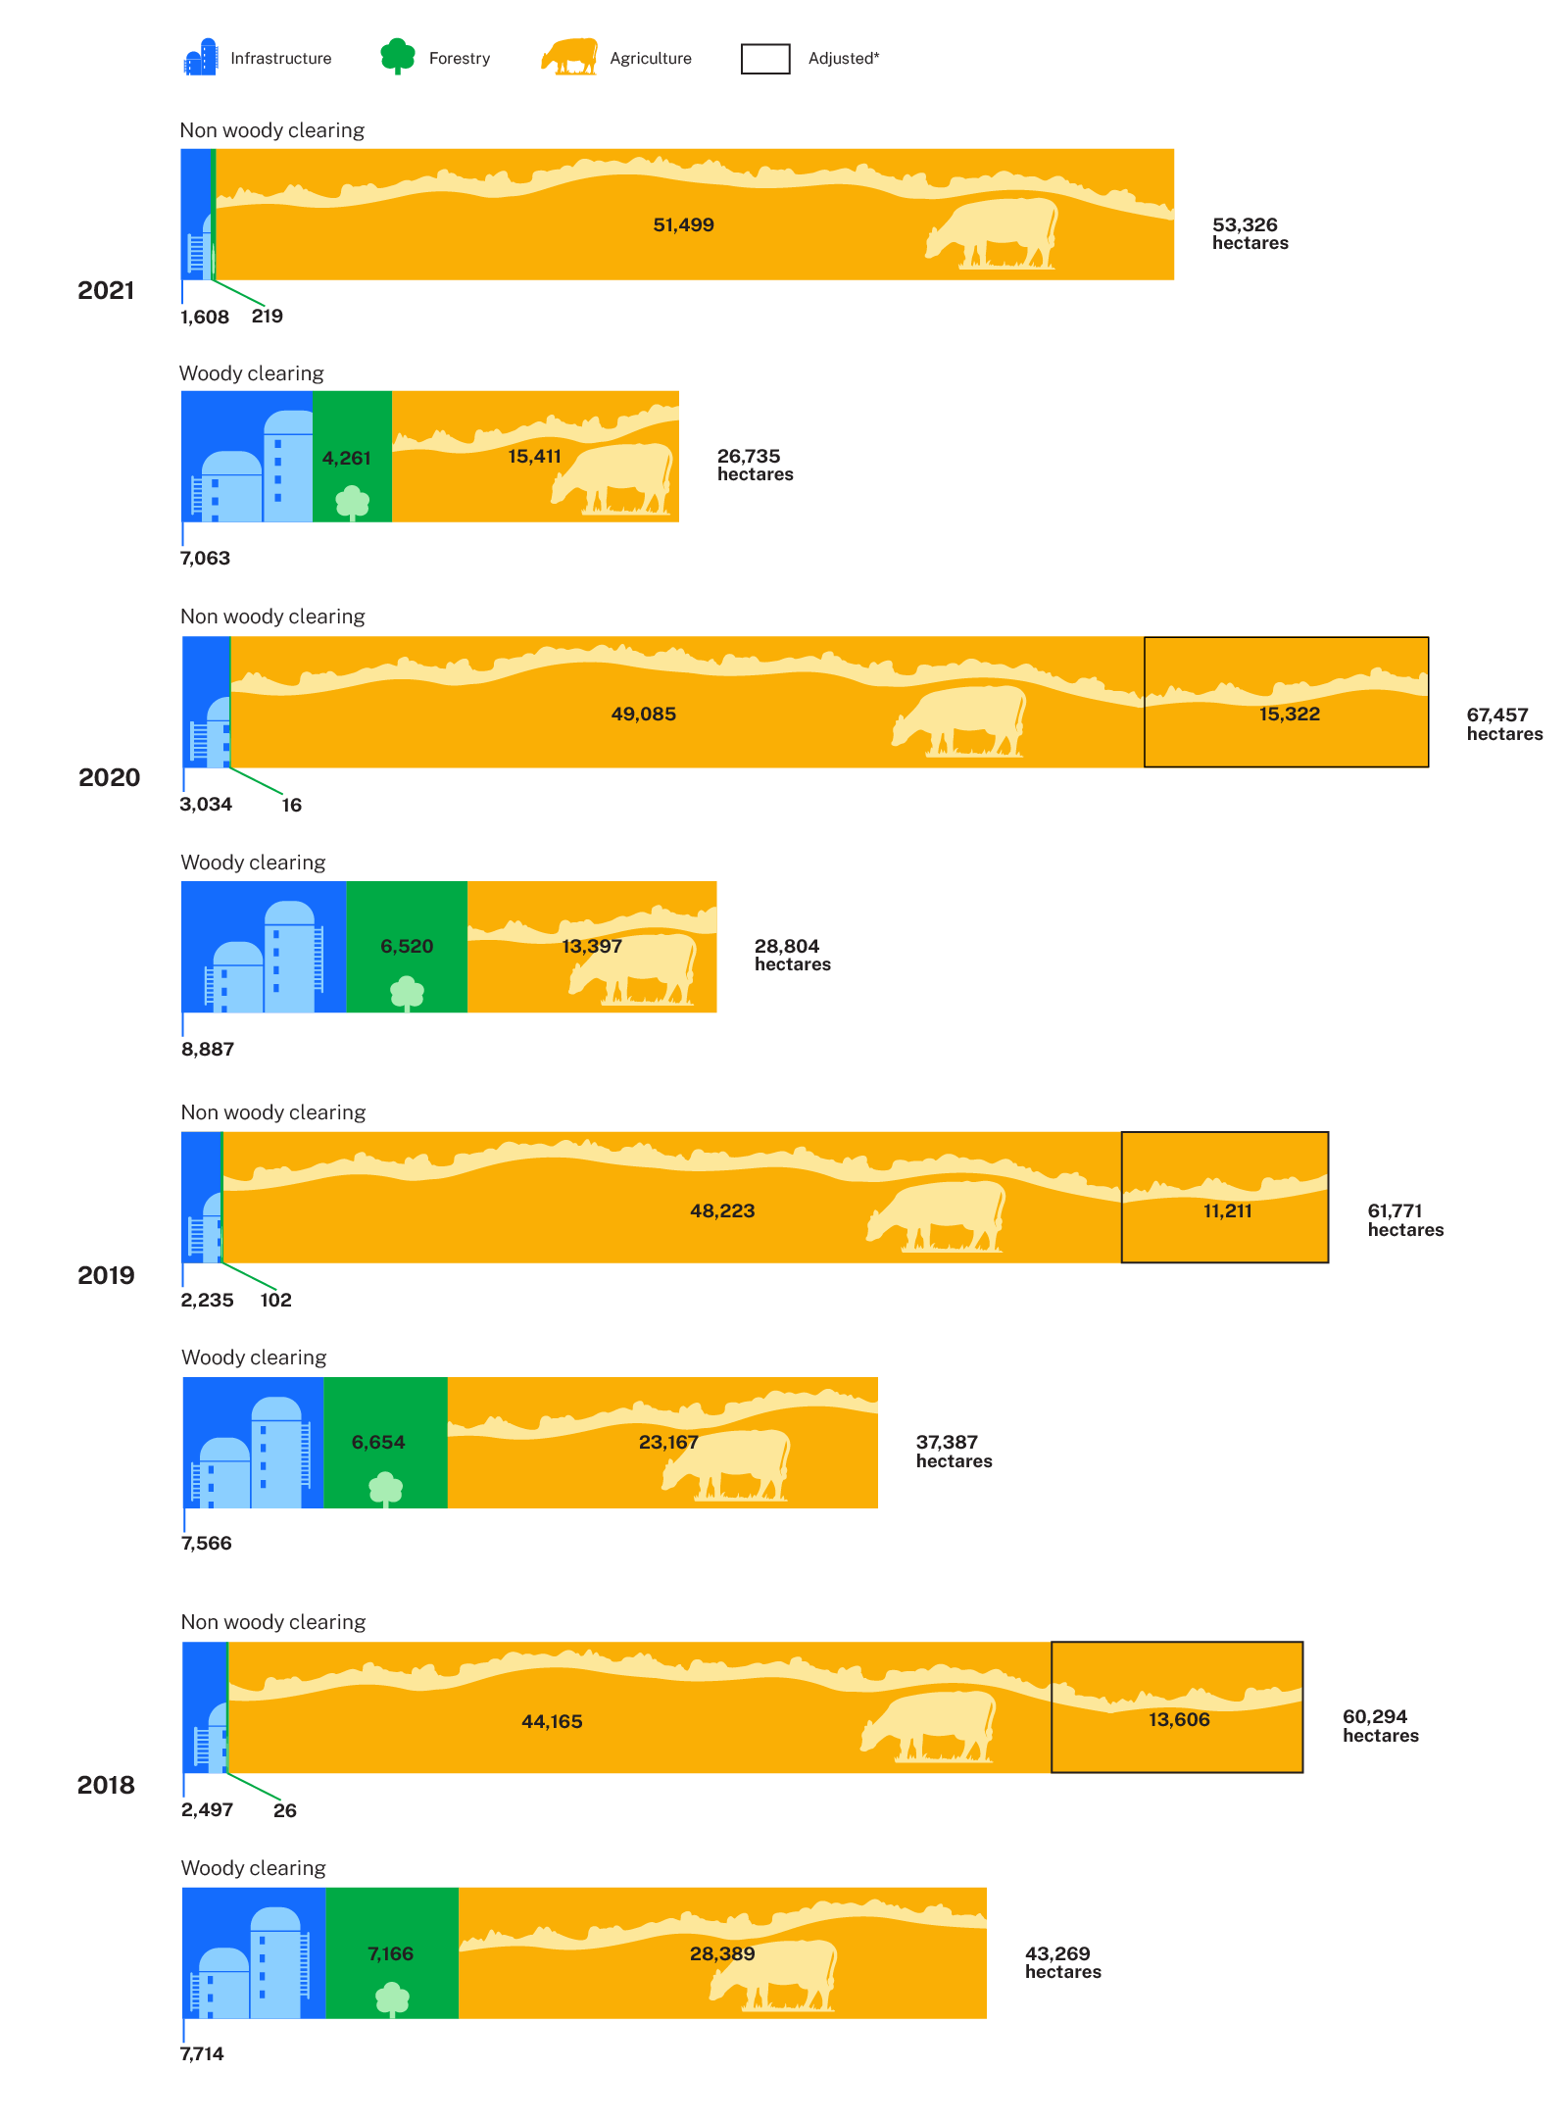
Tab 2: Vegetation clearing statewide by landcover class (hectares)
Date | Landcover class | Statewide
 |  | Non woody | Woody | Class total
2021 | Agriculture | 51,499 | 15,411 | 66,910
 | Native Forestry | 219 | 4,261 | 4,480
 | Infrastructure | 1,608 | 7,063 | 8,671
 | Total | 53,326 | 26,735 | 80,061
2020 | Agriculture | 64,407 | 13,397 | 77,804
 | Native Forestry | 16 | 6,520 | 6,536
 | Infrastructure | 3,034 | 8,887 | 11,922
 | Total | 67,458 | 28,804 | 96,262
2019 | Agriculture | 59,434 | 23,167 | 82,602
 | Native Forestry | 102 | 6,654 | 6,756
 | Infrastructure | 2,235 | 7,566 | 9,802
 | Total | 61,771 | 37,388 | 99,159
2018 | Agriculture | 57,770 | 28,389 | 86,159
 | Native Forestry | 26 | 7,166 | 7,191
 | Infrastructure | 2,497 | 7,714 | 10,212
 | Total | 60,293 | 43,269 | 103,562
Total | Agriculture | 233,111 | 80,364 | 313,475
 | Native Forestry | 362 | 24,601 | 24,964
 | Infrastructure | 9,375 | 31,230 | 40,606
 | Total | 242,849 | 136,196 | 379,044

Notes: | Non woody figures updated to include clearing that occurred in 2020, which was mapped in the 2021 analysis
 | All figures are in hectares unless otherwise specified.
 | Written totals may differ to summed totals due to rounding.
 |  | The latest data is highlighted green.

Tab 4 - by Act
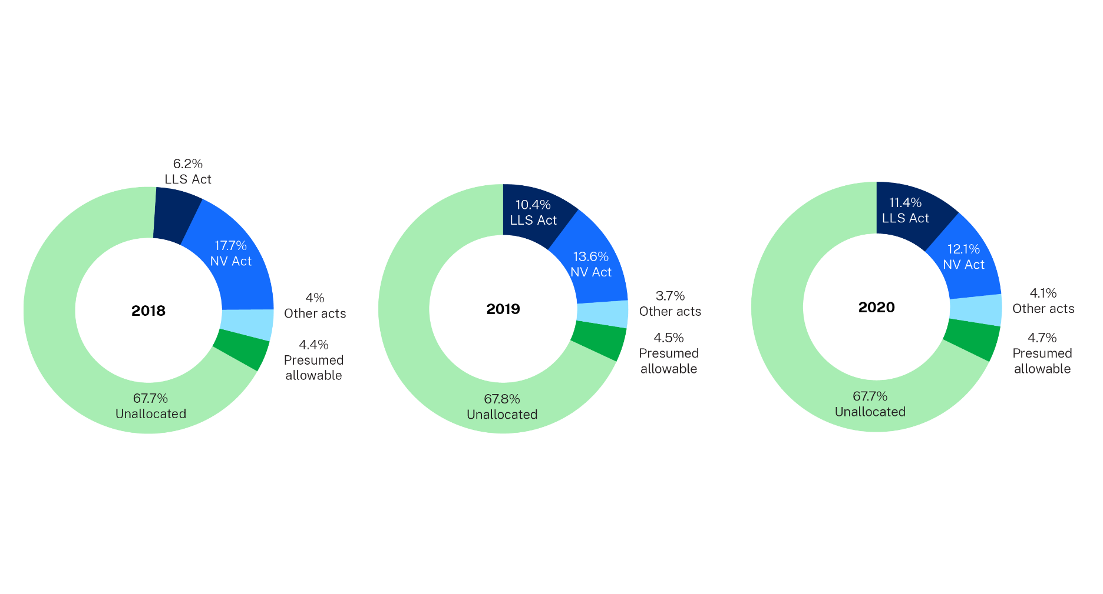
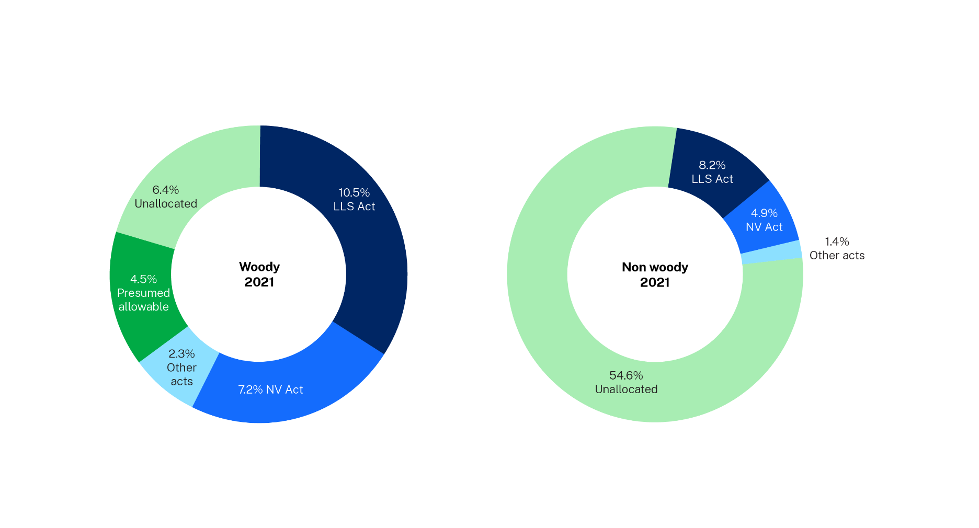
Tab 4: Vegetation clearing by authorising Act on Category 2 Regulated Land (hectares)
Date | Act | Description | Non woody | Woody | Total
2021 | Authorised-LLS Act | Clearing is associated with an authorisation under the Local Land Services Act 2013 (LLS Act) | 5,952 | 7,549 | 13,501
 | Authorised-NV Act | Clearing is associated with an authorisation under the Native Vegetation Act 2003 (NV Act) | 3,568 | 5,183 | 8,752
 | Authorised-Other Acts | Clearing may be authorised with other Acts includes Plantation and Reafforestation Act 1999 | 993 | 1,656 | 2,649
 | Presumed Allowable | Clearing may be an allowable activity under the Local Land Services Act 2013 (LLS Act) | - | 3,272 | 3,272
 | Unallocated | Other clearing not associated with an authorisation or presumed allowable | 39,503 | 4,658 | 44,162
 | Total |  | 50,017 | 22,318 | 72,335
2020 | Authorised-LLS Act | Clearing is associated with an authorisation under the Local Land Services Act 2013 (LLS Act) | 2,322 | 7,161 | 9,483
 | Authorised-NV Act | Clearing is associated with an authorisation under the Native Vegetation Act 2003 (NV Act) | 7,705 | 2,309 | 10,014
 | Authorised-Other Acts | Clearing may be associated with other Acts predominately Plantation and Reafforestation Act 1999 | 897 | 2,492 | 3,389
 | Presumed Allowable | Clearing may be allowable under the Local Land Services Act 2013 (LLS Act) | 205 | 3,697 | 3,901
 | Unallocated | Other clearing not associated with an authorisation or presumed allowable | 50,736 | 5,419 | 56,155
 | Total |  | 61,864 | 21,078 | 82,942
2019 | Authorised-LLS Act | Clearing is associated with an authorisation under the Local Land Services Act 2013 (LLS Act) | 2,257 | 6,741 | 8,997
 | Authorised-NV Act | Clearing is associated with an authorisation under the Native Vegetation Act 2003 (NV Act) | 3,554 | 8,168 | 11,722
 | Authorised-Other Acts | Clearing may be associated with other Acts predominately Plantation and Reafforestation Act 1999 | 904 | 2,324 | 3,228
 | Presumed Allowable | Clearing may be allowable under the Local Land Services Act 2013 (LLS Act) | 164 | 3,749 | 3,914
 | Unallocated | Other clearing not associated with an authorisation or presumed allowable | 50,221 | 8,311 | 58,532
 | Total |  | 57,100 | 29,293 | 86,393
2018 | Authorised-LLS Act | Clearing is associated with an authorisation under the Local Land Services Act 2013 (LLS Act) | 245 | 5,284 | 5,529
 | Authorised-NV Act | Clearing is associated with an authorisation under the Native Vegetation Act 2003 (NV Act) | 4,159 | 11,569 | 15,727
 | Authorised-Other Acts | Clearing may be associated with other Acts predominately Plantation and Reafforestation Act 1999 | 1,115 | 2,398 | 3,514
 | Presumed Allowable | Clearing may be allowable under the Local Land Services Act 2013 (LLS Act) | 122 | 3,788 | 3,910
 | Unallocated | Other clearing not associated with an authorisation or presumed allowable | 49,125 | 11,071 | 60,195
 | Total |  | 54,766 | 34,109 | 88,875
Total | Authorised-LLS Act | Clearing is associated with an authorisation under the Local Land Services Act 2013 (LLS Act) | 10,776 | 26,735 | 37,510
 | Authorised-NV Act | Clearing is associated with an authorisation under the Native Vegetation Act 2003 (NV Act) | 18,986 | 27,229 | 46,215
 | Authorised-Other Acts | Clearing may be associated with other Acts predominately Plantation and Reafforestation Act 1999 | 3,909 | 8,871 | 12,780
 | Presumed Allowable | Clearing may be allowable under the Local Land Services Act 2013 (LLS Act) | 492 | 14,505 | 14,997
 | Unallocated | Other clearing not associated with an authorisation or presumed allowable | 189,585 | 29,459 | 219,044
 | Total |  | 223,747 | 106,799 | 330,546

Notes: | Non woody figures updated to include clearing that occurred in 2020, which was mapped in the 2021 analysis
 | All figures are in hectares unless otherwise specified.
 | Written totals may differ to summed totals due to rounding.
 |  | The latest data is highlighted green.

Tab 5 - by LLS Act
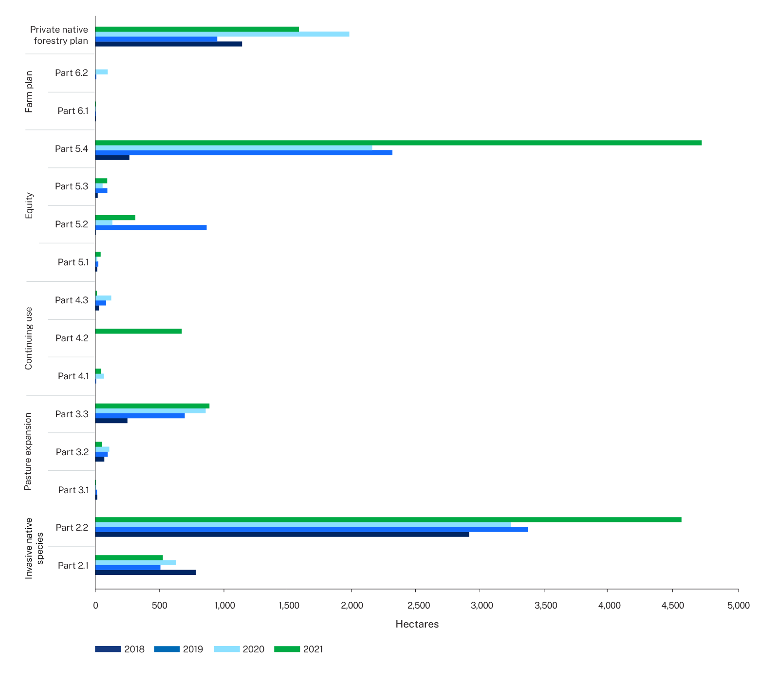
Tab 5: Vegetation clearing by Local Land Services Act 2013 (LLS Act) on Category 2 Regulated Land (hectares)
Act | Label | Description | 2018 | 2019 | 2020 | 2021 | Total
Authorised-LLS Act | Part 2:1 | Native Vegetation Code Part 2 Division 1 - Invasive Native Species - Low impact clearing of invasive native species | 786 | 506 | 633 | 525 | 2,450
 | Part 2:2 | Native Vegetation Code Part 2 Division 2 - Invasive Native Species - Moderate impact clearing of invasive native species | 2,915 | 3,368 | 3,241 | 4,566 | 14,091
 | Part 2 - Invasive Native Species total |  | 3,701 | 3,874 | 3,875 | 5,091 | 16,541
 | Part 3:1 | Native Vegetation Code Part 3 Division 1 - Pasture Expansion - Uniform thinning of woody native vegetation (notification) | 15 | 10 | 5 | - | 30
 | Part 3:2 | Native Vegetation Code Part 3 Division 2 - Pasture Expansion - Uniform thinning of woody native vegetation (certification) | 70 | 92 | 108 | 50 | 321
 | Part 3:3 | Native Vegetation Code Part 3 Division 3 - Pasture Expansion - Mosaic thinning of woody native vegetation | 253 | 695 | 863 | 889 | 2,700
 | Part 3 - Pasture Expansion total |  | 338 | 797 | 977 | 939 | 3,051
 | Part 4:1 | Native Vegetation Code Part 4 Division 1 - Continuing Use - Managing woody native regrowth in managed native pastures | - | 5 | 66 | 42 | 113
 | Part 4.2 | Native Vegetation Code Part 4 Division 2 - Continuing Use - Continuation of land management activities undertaken after 1990 | - | - | - | 672 | 672
 | Part 4.3 | Native Vegetation Code Part 4 Division 3 - Continuing Use - Continuation of rotational activity undertaken prior to 1990 | 30 | 79 | 122 | 9 | 240
 | Part 4 - Continuing Use total |  | 31 | 83 | 188 | 722 | 1,025
 | Part 5.1 | Native Vegetation Code Part 5 Division 1 - Equity - Removing native vegetation from paddock tree areas | 16 | 21 | 16 | 38 | 91
 | Part 5.2 | Native Vegetation Code Part 5 Division 2 - Equity - Clearing compromised native groundcover | 4 | 866 | 130 | 311 | 1,312
 | Part 5.3 | Native Vegetation Code Part 5 Division 3 - Equity - Removing native vegetation from small areas | 21 | 88 | 58 | 87 | 254
 | Part 5.4 | Native Vegetation Code Part 5 Division 4 - Equity - Removing native vegetation from regulated rural areas | 269 | 2,314 | 2,161 | 4,724 | 9,468
 | Part 5 - Equity total |  | 310 | 3,289 | 2,364 | 5,161 | 11,125
 | Part 6.1 | Native Vegetation Code Part 6 Division 1 - Farm Plan-Removing native vegetation from paddock tree areas | 2 | 1 | - | 1 | 5
 | Part 6.2 | Native Vegetation Code Part 6 Division 2 - Farm Plan-Removing native vegetation from regulated rural areas | - | 4 | 96 | - | 100
 | Part 6 - Farm Plan total |  | 2 | 5 | 96 | 1 | 105
 | Private native forestry plan | Private native forestry plans | 1,147 | 949 | 1,983 | 1,586 | 5,665
 | Total |  | 5,529 | 8,997 | 9,483 | 13,501 | 37,510

Notes: | Non woody figures updated to include clearing that occurred in 2020, which was mapped in the 2021 analysis
 | All figures are in hectares unless otherwise specified.
 | Written totals may differ to summed totals due to rounding.
 |  | The latest data is highlighted green.

Tab 6 - by NV Act
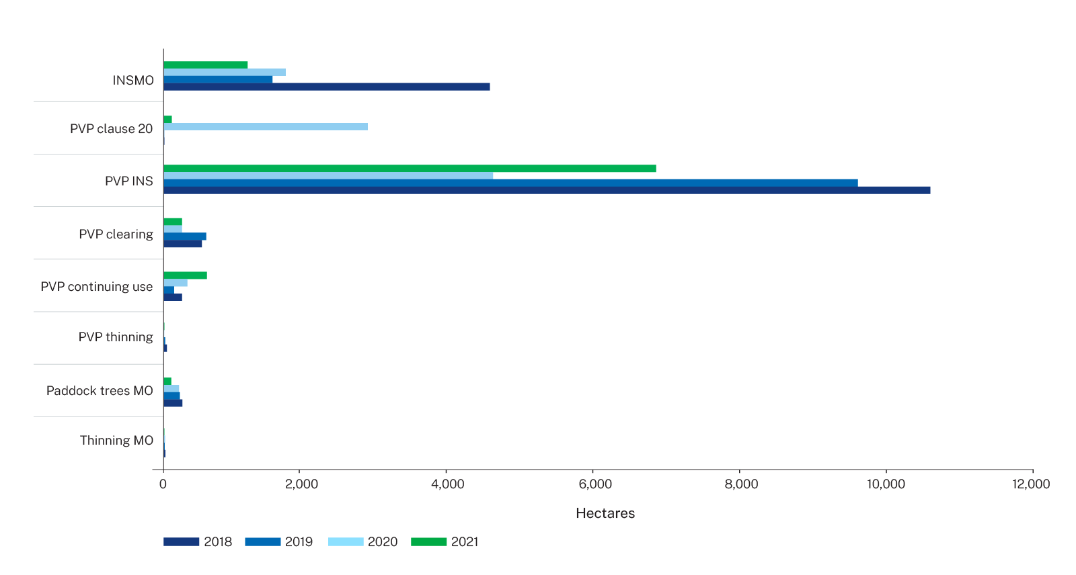
Tab 6 - Vegetation clearing by Native Vegetation Act 2003 (NV Act) on Category 2 Regulated Land (hectares)
Act | Explanation | Description | 2018 | 2019 | 2020 | 2021 | Total
Authorised-NV Act | Invasive native species (INS) Ministerial order (MO) | Routine agricultural management activity for the management invasive native species under ministerial order | 4,378 | 1,459 | 1,850 | 1,120 | 8,807
 | PVP clause 20 | Clearing for conservation or long term environmental benefit under clause 20 in accordance with a property vegetation plan | 5 | - | 2,974 | 114 | 3,093
 | PVP INS | Management of invasive native species that improves or maintains environmental outcomes under a property vegetation plan | 10,293 | 9,321 | 4,419 | 6,596 | 30,629
 | PVP clearing | Broadscale clearing that improved or maintained environmental outcomes under a property vegetation plan | 511 | 569 | 241 | 234 | 1,554
 | PVP continuing use | Clearing of regrowth authorised under a property vegetation plan | 243 | 137 | 316 | 591 | 1,287
 | PVP thinning | Ecological thinning of vegetation that improves or maintains environmental outcomes under a property vegetation plan | 37 | 14 | 1 | 5 | 57
 | Paddock trees MO | Routine Agricultural Management Activity for the clearing of paddock trees under ministerial order | 248 | 215 | 201 | 87 | 751
 | Thinning MO | Routine Agricultural Management Activity for the ecological thinning of vegetation under ministerial order | 13 | 7 | 12 | 4 | 37
 | Total |  | 15,727 | 11,722 | 10,014 | 8,752 | 46,214

Notes: | Non woody figures updated to include clearing that occurred in 2020, which was mapped in the 2021 analysis
 | All figures are in hectares unless otherwise specified.
 | Written totals may differ to summed totals due to rounding.
 |  | The latest data is highlighted green.

